LACOSTE
 |  | LACOSTE IN STOCK!

Photo | Article | Model | Size | 32 | 34 | 36 | 38 | 40 | 42 | 44 | 46 | 48 | 50 | Total
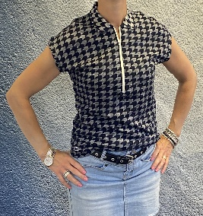 | PF230500HXH | Lacoste Polo short sleeve-Classic Fit abyssal Women |  |  | 9 | 7 | 17 | 11 | 9 | 6 | 2 |  |  | 61 | 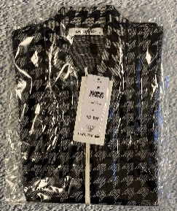 |  | 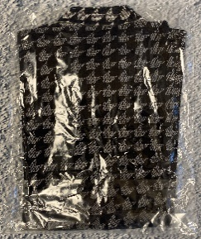
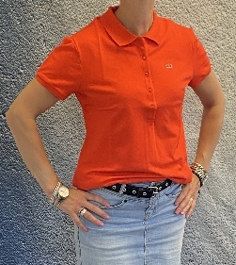 | PF6949CAD | Lacoste Polo short sleeve- Classic Fit etna Women |  | 1 | 2 | 3 | 2 | 5 | 11 | 11 | 10 | 6 | 1 | 52 |  | 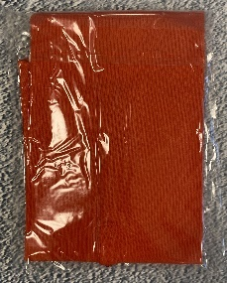
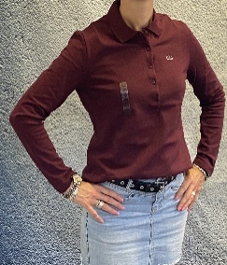 | PF17750008L | Lacoste Polo long sleeve- Classic Fit myrtillier chine Women |  | 5 | 4 | 4 | 5 | 7 | 10 | 5 | 7 |  |  | 47
 | PF694900S6W | Lacoste Polo short sleeve-Classic Fit yucca Women |  |  | 3 | 7 | 6 | 7 | 3 | 11 | 15 | 2 |  | 54
 | PF694900JC8 | Lacoste Polo short sleeve-Classic Fit salsa Women |  |  | 3 | 12 | 18 |  | 12 | 19 | 6 |  |  | 70 | 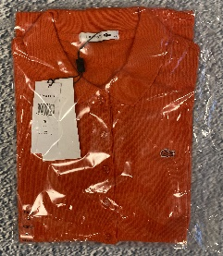 | 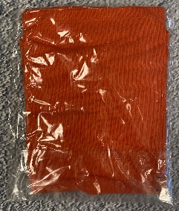
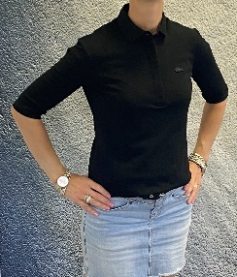 | PF696900031 | Lacoste Polo short sleeve-Classic Fit noir Women |  |  | 9 | 9 |  | 9 | 20 | 4 |  |  |  | 51 | 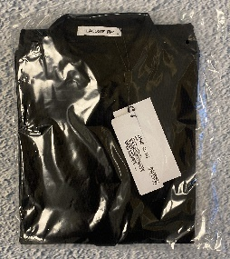
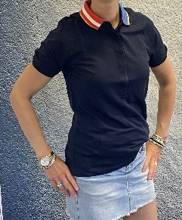 | PF228600HXH | Lacoste Polo short sleeve-Classic Fit abyssal Women |  |  | 5 | 10 | 13 | 9 | 10 | 3 | 1 |  |  | 51 |  | 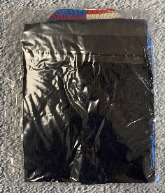 |  | 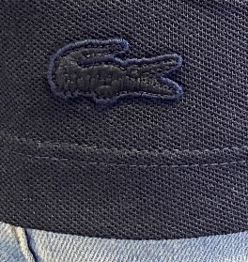
 |  |  |  |  |  |  |  |  |  |  |  |  |  | 386

